Walmart
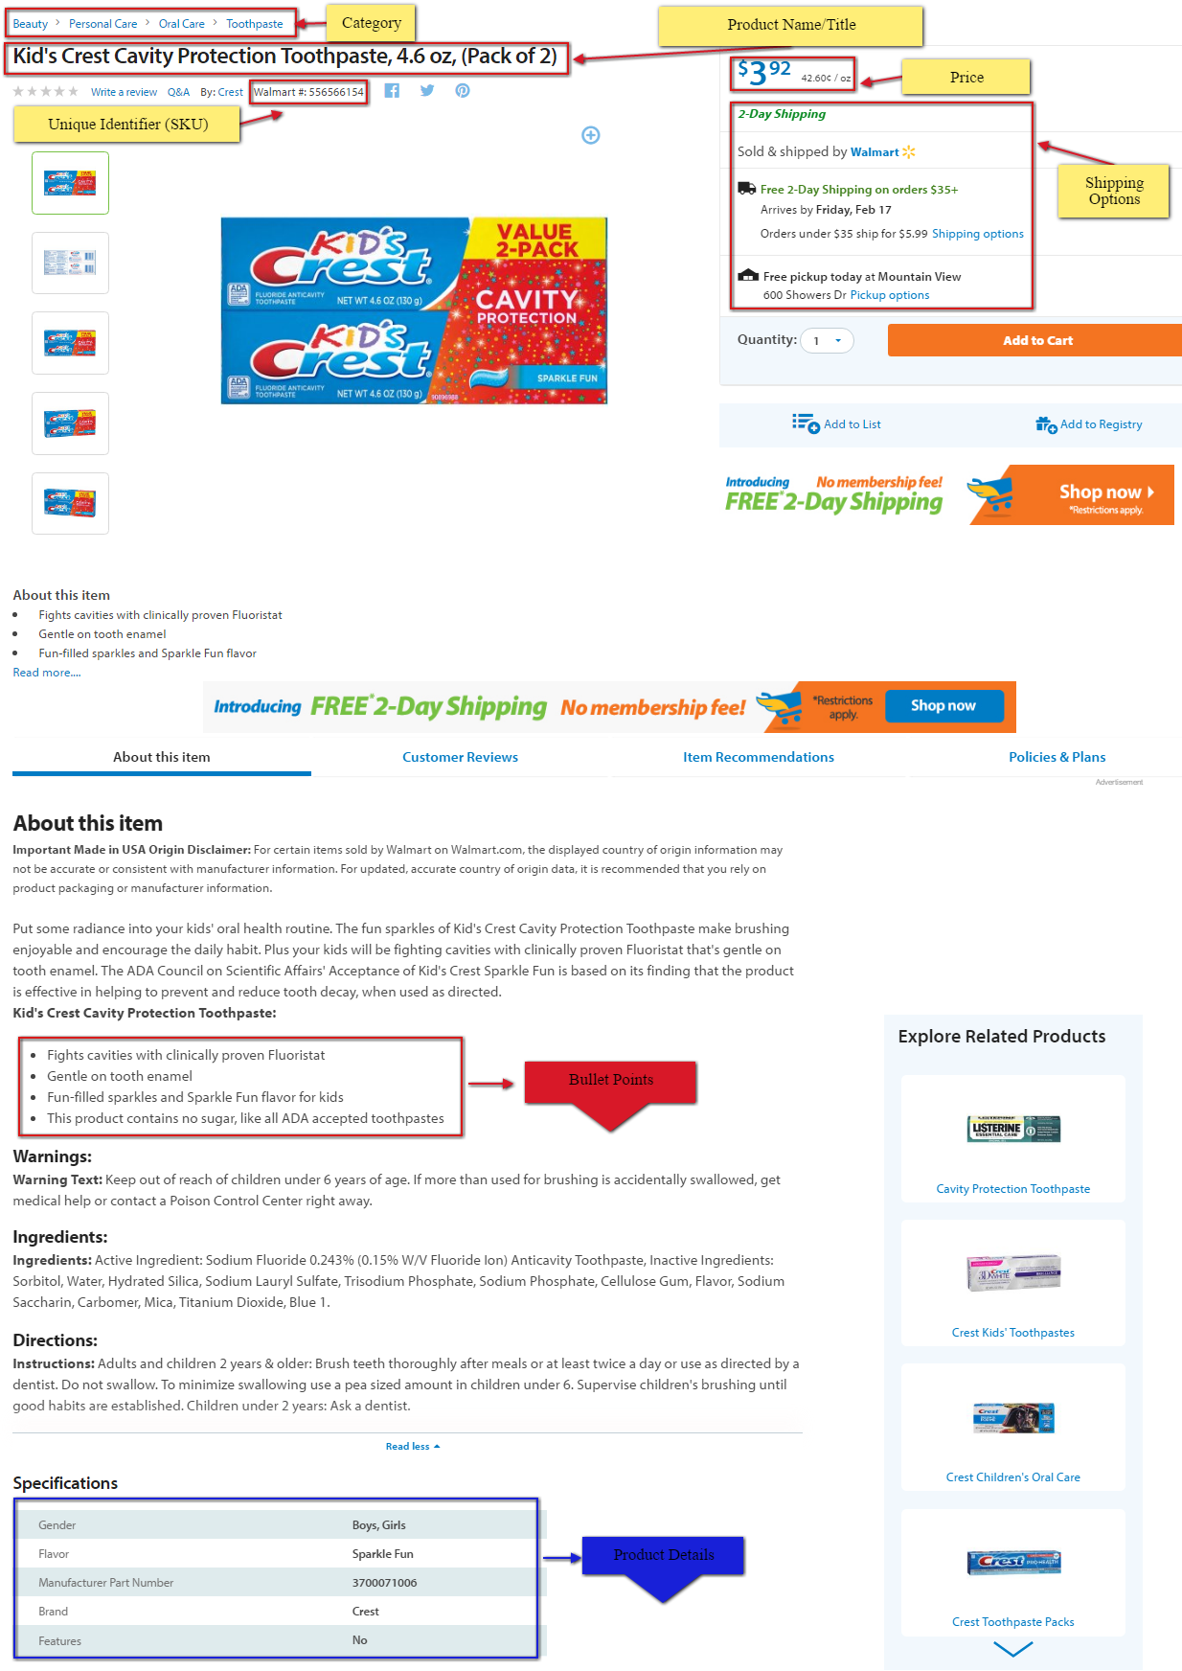
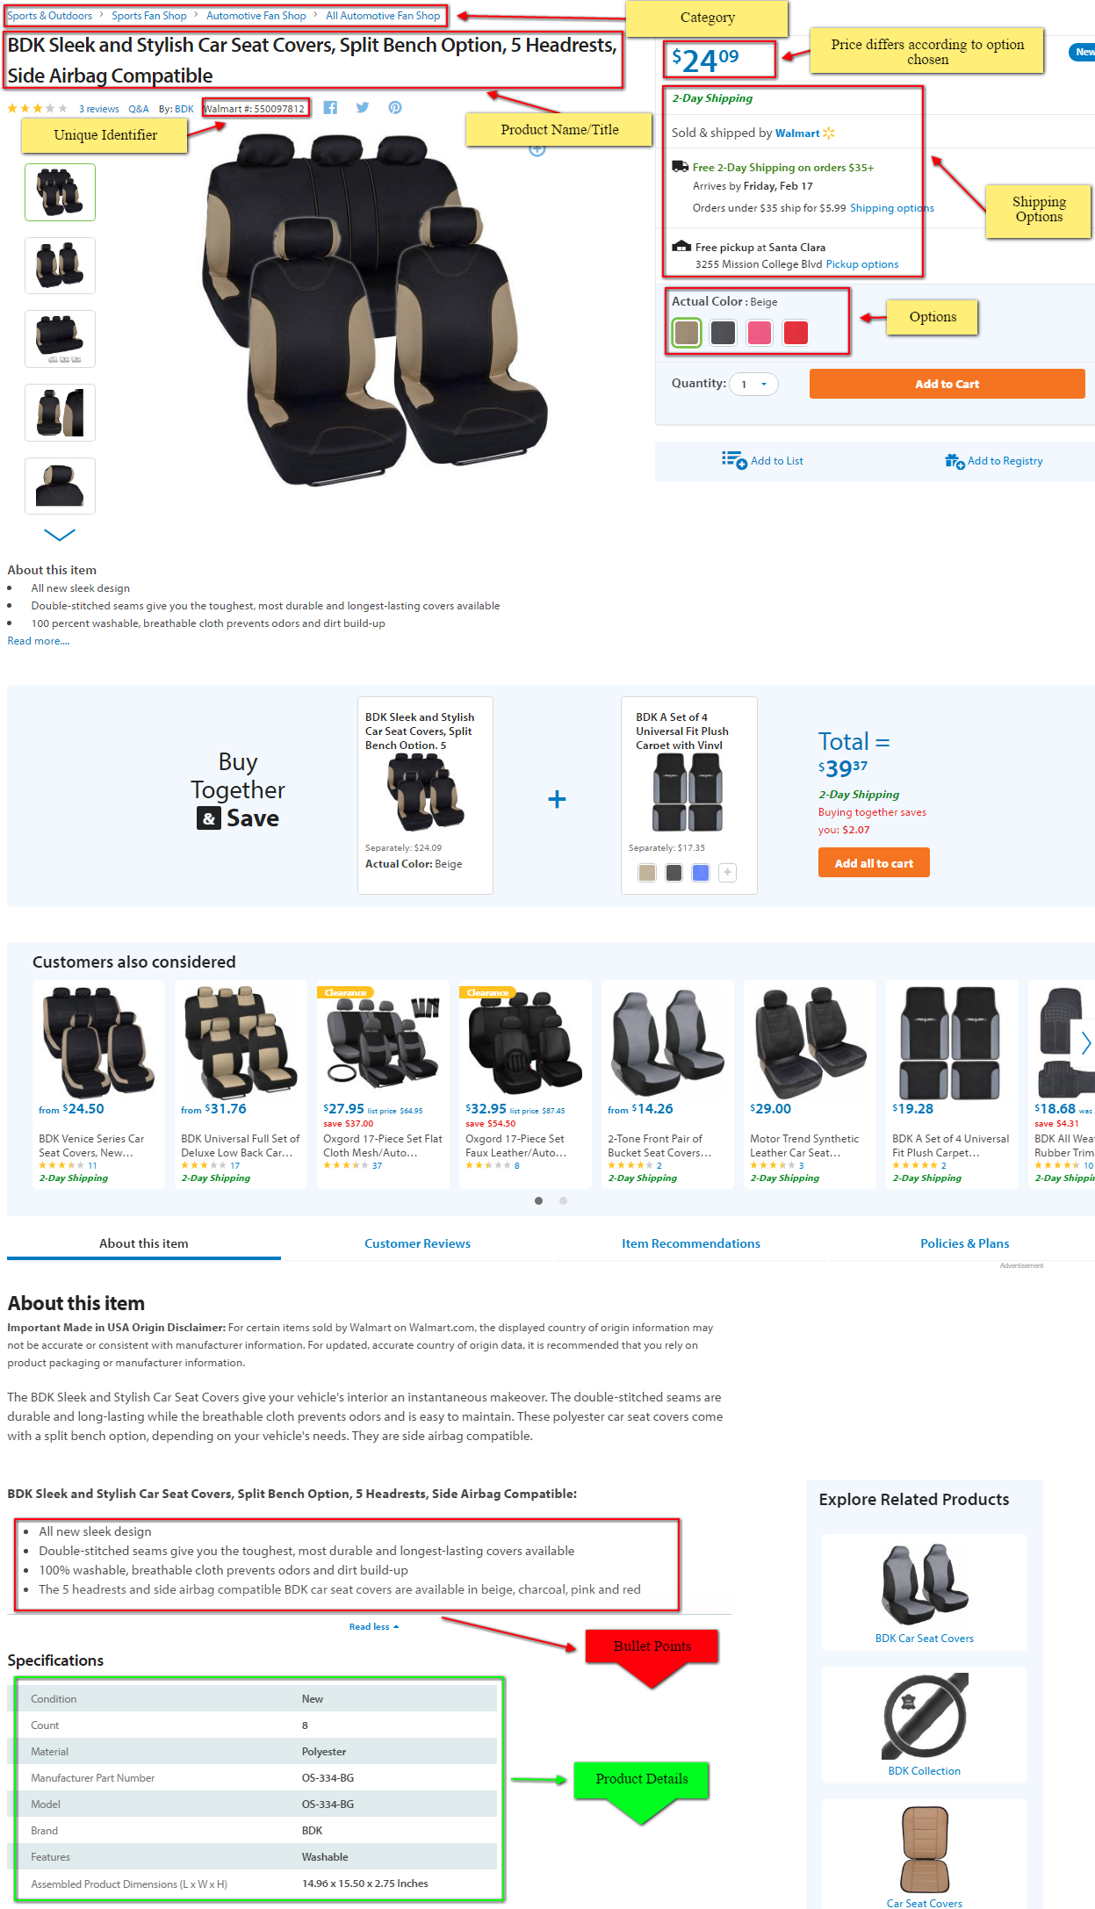
 | Unique Identifier (SKU) | Title | Cost | Delivery time | Pictures (could download and use URL) | Bullet points | Details
with options | 550097812 | BDK Sleek and Stylish Car Seat Covers, Split Bench Option, 5 Headrests, Side Airbag Compatible | $23.20-$25.10 | 2-Day Shipping | https://ll-us-i5.wal.co/asr/fb5e1890-895e-4701-932e-e1fb4a53cc0e_1.4a75d6a82e5468506461515fc9f05e23.jpeg?odnHeight=450&odnWidth=450&odnBg=FFFFFF | Double-stitched seams give you the toughest, most durable and longest-lasting covers available | Condition | New
 | use keyword : data-item-id |  |  |  |  | 100 percent washable, breathable cloth prevents odors and dirt build-up | Count | 8
 | *reported to logis manager, sku for options are the same |  |  |  |  | The 5 headrests and side airbag compatible BDK car seat covers are available in beige, charcoal, pink and red | Material | Polyester
 |  |  |  |  |  | Brand: BDK | Manufacturer Part Number | OS-334-BG
 |  |  |  |  |  |  | Model | OS-334-BG
 |  |  |  |  |  |  | Brand | BDK
 |  |  |  |  |  |  | Features | Washable
 |  |  |  |  |  |  | Assembled Product Dimensions (L x W x H) | 14.96 x 15.50 x 2.75 Inches
https://www.walmart.com/ip/BDK-Sleek-and-Stylish-Car-Seat-Covers-Split-Bench-Option-5-Headrests-Side-Airbag-Compatible/50160319#about-item

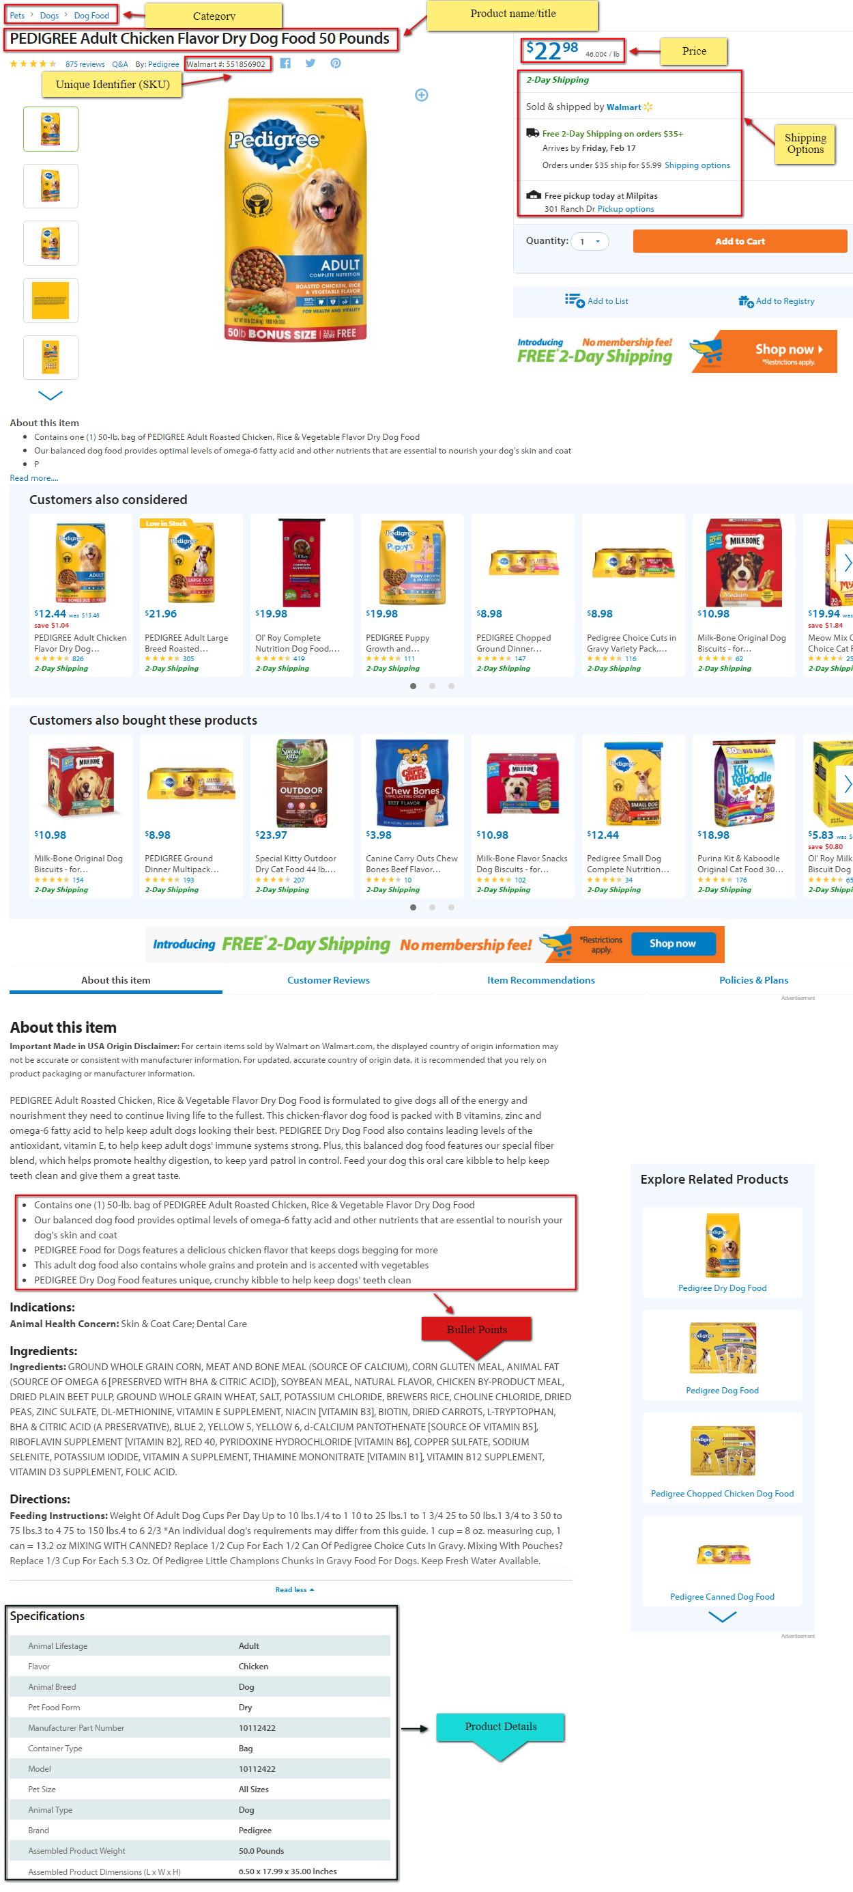
regular listing | 551856902 | PEDIGREE Adult Chicken Flavor Dry Dog Food 50 Pounds | $22.98 | 2-Day Shipping | https://ll-us-i5.wal.co/asr/71f13cd7-75bf-4783-81eb-1bc4cf460d70_1.16b8af72416568ca60668a690da9ded2.jpeg?odnHeight=450&odnWidth=450&odnBg=FFFFFF | Contains one (1) 50-lb. bag of PEDIGREE Adult Roasted Chicken, Rice & Vegetable Flavor Dry Dog Food | Animal Lifestage | Adult
 |  |  |  |  |  | Our balanced dog food provides optimal levels of omega-6 fatty acid and other nutrients that are essential to nourish your dog's skin and coat | Flavor | Chicken
 |  |  |  |  |  | PEDIGREE Food for Dogs features a delicious chicken flavor that keeps dogs begging for more | Animal Breed | Dog
 |  |  |  |  |  | This adult dog food also contains whole grains and protein and is accented with vegetables | Pet Food Form | Dry
 |  |  |  |  |  | PEDIGREE Dry Dog Food features unique, crunchy kibble to help keep dogs' teeth clean | Manufacturer Part Number | 10112422
 |  |  |  |  |  |  | Container Type | Bag
 |  |  |  |  |  |  | Model | 10112422
 |  |  |  |  |  |  | Pet Size | All Sizes
 |  |  |  |  |  |  | Animal Type | Dog
 |  |  |  |  |  |  | Brand | Pedigree
 |  |  |  |  |  |  | Assembled Product Weight | 50.0 Pounds
 |  |  |  |  |  |  | Assembled Product Dimensions (L x W x H) | 6.50 x 17.99 x 35.00 Inches

https://www.walmart.com/ip/Pedigree-Adult-Complete-Nutrition-Chicken-Flavor-Dry-Dog-Food-Bonus-Size-50-lbs-Dogs/42425073

packs of | 556566154 | Kid's Crest Cavity Protection Toothpaste, 4.6 oz, (Pack of 2) | 3.92 | 2-Day Shipping | https://ll-us-i5.wal.co/asr/1e123e90-ebe9-4afb-a577-5271dead3db8_1.a8486d93699e1ebe6346fb41b90a14b7.jpeg?odnHeight=450&odnWidth=450&odnBg=FFFFFF | Fights cavities with clinically proven Fluoristat | ender | Boys, Girls
 |  |  |  |  |  | Gentle on tooth enamel | Flavor | Sparkle Fun
 |  |  |  |  |  | Fun-filled sparkles and Sparkle Fun flavor for kids | Brand | Crest
 |  |  |  |  |  | This product contains no sugar, like all ADA accepted toothpastes | Features | No
https://www.walmart.com/ip/Crest-Kids-Crest-Tp-Kids-Cavity-Protection-Twin-Pk/178707036

